Sheet1
 |  | Document No. | Issue No. | Issue Date |  | Review and Replace Date |  | Authorised By
 |  | GFF359MC | 1 | 03.05.2022 |  | New Issue
 |  | Document Title | Takul-CHICKEN ENCHILADAS 400G
 |  | New product created |  |  | Page |  | 1 of 1 | Magda Shah
Document amendments reason for change |  |  |  |  | Previous Issue Date |  | New Issue | Uncontrolled copy unless signed original

CCENCH-R4TTA | Takul |  | CHICKEN ENCHILADAS 400G | CHILLED
STEP 1 |  |  | STEP 2
 |  |  | 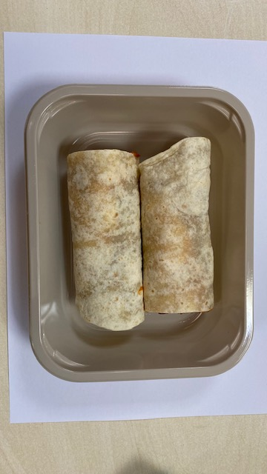
CUT ROLL IN HALF

Tray: EVOLVE CPET 2200-1D (PKRHP001-09) |  |  | Enchilada Roll (GFF399R): 240g
Film: K-Peel 75G + AF 25 250mm (PKKMP001-01)
STEP 3 |  |  |  |  | STEP 4
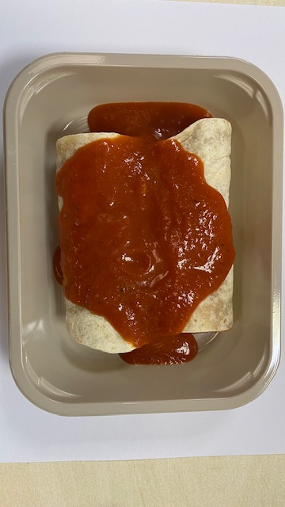 |  |  |  |  | 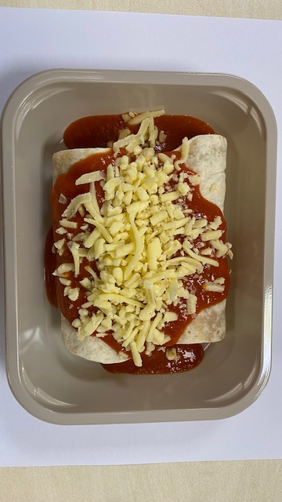

Enchilada Sauce (GFF400R) 120g |  |  |  |  | Cheddar Cheese Mature Grated (RMHAB001-24) 40g |  |  |  | 400g

ALLERGY ALERT: Barley, Wheat, Milk, Oat, Soya

